Pivot
Row Labels | Sum of Sales | Row Labels | Sum of Sales | Row Labels | Sum of Sales | Row Labels | Sum of Sales | Row Labels | Sum of Sales
Jan | 1070 | Non-Veg | 2752 | Mon | 1586 | Ahmedabad | 216 | 2 | 163
Feb | 1233 | Veg | 4740 | Tue | 898 | Bengaluru | 403 | 3 | 297
Mar | 546 | Grand Total | 7492 | Wed | 987 | Coimbatore | 553 | 4 | 258
Apr | 1940 |  |  | Thu | 731 | Guwahati | 405 | 5 | 352
May | 288 |  |  | Fri | 1067 | Hyderabad | 983 | 7 | 1011
Jun | 487 |  |  | Sat | 1251 | Jaipur | 1317 | 9 | 486
Jul | 1553 |  |  | Sun | 972 | Kolkata | 163 | 10 | 282
Aug | 375 |  |  | Grand Total | 7492 | Lucknow | 691 | 14 | 393
Grand Total | 7492 |  |  |  |  | New Delhi | 882 | 15 | 877
 |  |  |  |  |  | Panaji | 815 | 16 | 506
 |  |  |  |  |  | Patna | 417 | 17 | 164
 |  |  |  |  |  | Surat | 647 | 19 | 288
 |  |  |  |  |  | Grand Total | 7492 | 24 | 239
 |  |  |  |  |  |  |  | 26 | 248
 |  |  |  |  |  |  |  | 27 | 372
 |  |  |  |  |  |  |  | 28 | 134
 |  |  |  |  |  |  |  | 30 | 1047
 |  |  |  |  |  |  |  | 33 | 216
 |  |  |  |  |  |  |  | 34 | 159
 |  |  |  |  |  |  |  | Grand Total | 7492

Dashboard
Month wise trend
 | Total
Jan | 1070
Feb | 1233
Mar | 546
Apr | 1940
May | 288
Jun | 487
Jul | 1553
Aug | 375
Food type sales
 | Total
Non-Veg | 2752
Veg | 4740
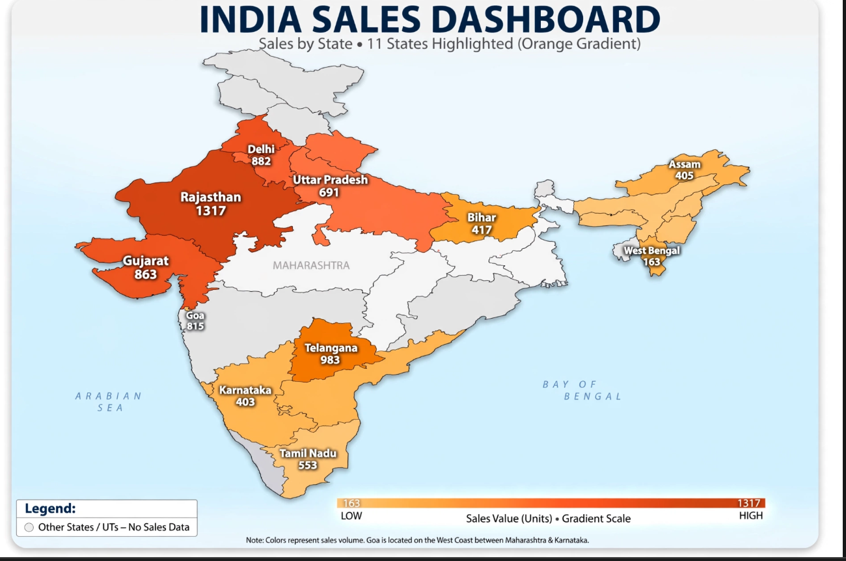

City wise sales
 | Total
Ahmedabad | 216
Bengaluru | 403
Coimbatore | 553
Guwahati | 405
Hyderabad | 983
Jaipur | 1317
Kolkata | 163
Lucknow | 691
New Delhi | 882
Panaji | 815
Patna | 417
Surat | 647

Day wise sales
 | Total
Mon | 1586
Tue | 898
Wed | 987
Thu | 731
Fri | 1067
Sat | 1251
Sun | 972

Restaurant wise sales
 | Total
2 | 163
3 | 297
4 | 258
5 | 352
7 | 1011
9 | 486
10 | 282
14 | 393
15 | 877
16 | 506
17 | 164
19 | 288
24 | 239
26 | 248
27 | 372
28 | 134
30 | 1047
33 | 216
34 | 159

